CRP Storage Directions (ALLE)
 |  | Characteristics Review Process - Allegion Directions for Storing Completed CRPs

1 |  | There are 4 main steps to creating and storing a CRP in Windchill: a. Creating the Windchill document b. Connecting the WC CRP document to the appropriate WT Part(s) c. Loading the completed CRP into this WC document (NOTE that every iteration of the CRP can and should be loaded into this WC document as well) d. Processing the final WC CRP document from 'In Work' to 'Released' using the WC Promotion Request workflow The instructions below are broken down into each of these steps.
2 | Process Owner | a | To Create a NEW Windchill CRP Document: Under ST Quality Common Library - Folders, open the Characteristics Review folder.
3 | Process Owner | a | 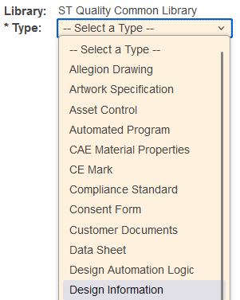 Within this folder, select New Document. Then under Type, select Design Information.
4 | Process Owner | a | At this point, you are required to add a file to the WC document as its Primary Content Source. This can be done by either: 1 - selecting the CRP template from the Template dropdown [GDC-QF-017 Allegion Characteristics Review Process (CRP)] This will automatically add a blank CRP form into the WC Document OR 2 - Within the Primary Content Source field, click Browse, navigate to the location of your locally saved CRP, select it, then click Open.
5 | Process Owner | a | 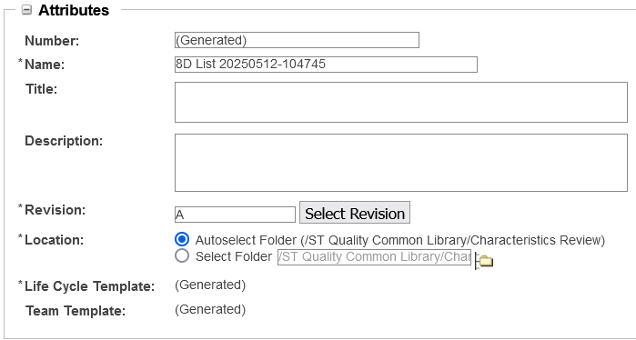 Complete the Attributes Section: Name: Use this format "Part Number, Revision Letter, Part Name, Supplier Name, CRP" replacing anything that might have been auto populated. Example: "48129486, Rev A, Lug, Locking, PPM, CRP" Revision: Leave as is (A) Location: Leave as is (Autoselect)
6 | Process Owner | a | 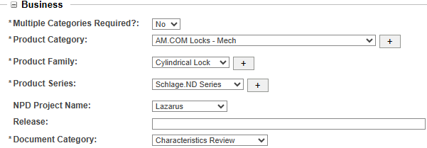 Complete the Business Section: Multiple Categories Required: Select Yes, if there are more than 1 Products Categories affected Otherwise, select No. Product Category: as applicable Product Family: as applicable Product Series: as applicable Note: If these options are not known, contact the Engineer of the part before continuing. NPD Project Name: as applicable Release: leave blank Document Category: select Characteristics Review
7 | Process Owner | a | Click Finish. The created document will show up in the Characteristics Review Folder.
8 | Process Owner | b | To Connect the WC CRP to the Appropriate WT Part(s): Navigate into the new WC CRP Document you just created. Click on the Related Objects tab. Under the Referenced by Parts section, click on Add.
9 | Process Owner | b | 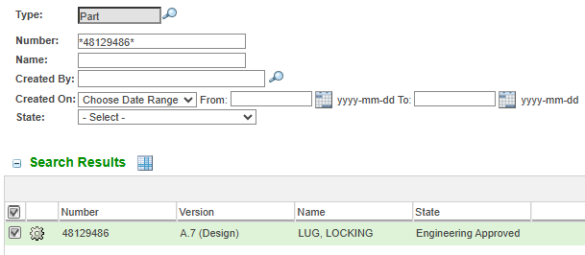 Type the Part Number in the Number field with '*' at beginning and end of the number and select Search. The P/N will display in the Search Results Section below. Select the Part Number, and hit OK.
10 | Process Owner | c | 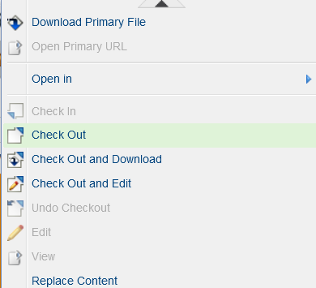 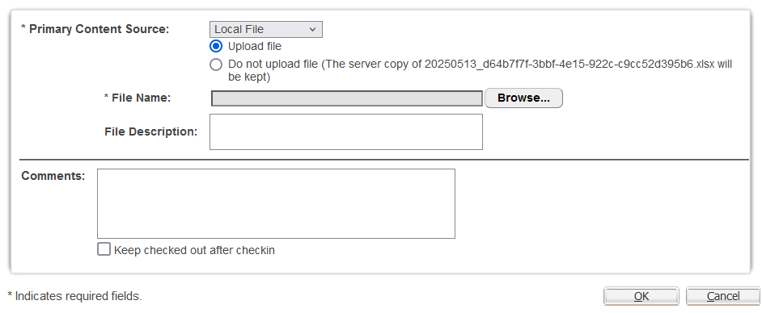 To Update the Primary Content within the WC CRP document: Under the Actions tab, select Replace Content. Click Browse in the pop-up window. Navigate to the location of your locally saved CRP, select it, then click Open, then Click OK. NOTE AGAIN - this step can and should be done for each iteration of the CRP that is created / edited so a complete revision history of the document will be available.
11 | Process Owner | d | To Create a Promotion Request and move the CRP to a Released: Under the Actions tab, select New, then New Promotion Request.
12 | Process Owner | d | On the first page, select the Need By date and then click Next. Note - Need by date should be less than 1 week from the day the promotion request is started
13 | Process Owner | d | 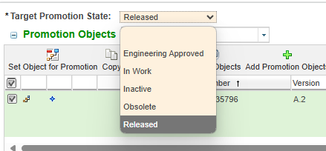 On the second page, for Target Promotion State: select Released. If necessary, add comments to the Promotion Comment. Click Next.
14 | Process Owner | d | 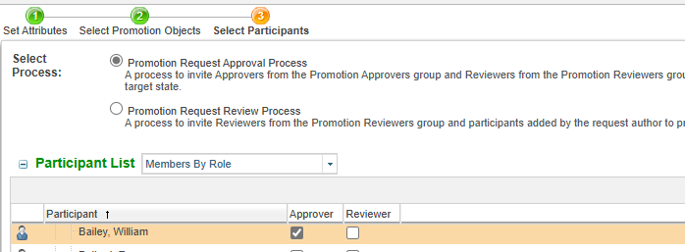 On the third page, for Select Process: select Promotion Request Approval Process. Under the Participant List, put a check mark in the Approver column next to the Engineer who will be approving the CRP. Click Finish.
15 | ENG | d | 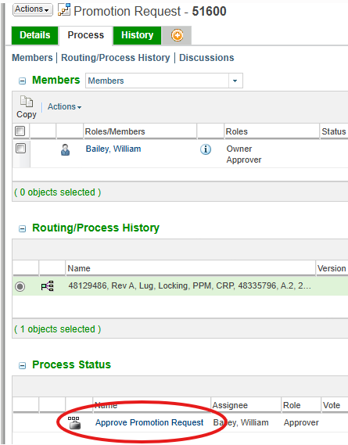 Upon clicking Finish, a task will be sent to the Engineer who was selected. That Engineer must approve as shown here:
16 | ENG | d | 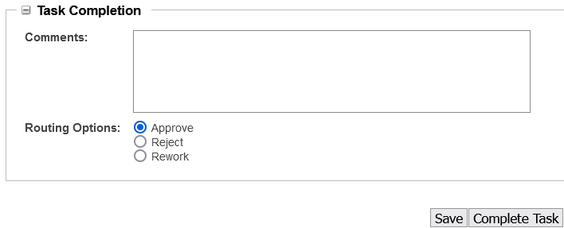 Click on Approve Promotion Request task link. Select Approve. Then click Complete Task.
17 | Complete | d | Once Step 16 and 17 are complete, this will change the State of the WC CRP document to "Released".

