Box Labels
Final Box Label (Example)

A. Master Box Labeling – The Master box in a single shipment will have the following labeling requirement on each box.

1. Bar Code will be in accordance to the industry standard “Code 39” or “Code 128”.

2. Each label will include the following information with a corresponding bar code.
 | Supplier name or logo
 | Assembly part number & oracle number
 | Description (Assembly drawing title)
 | Manufacturing date
 | Quantity
 | Drawing revision
 | Barcode

Master Label (Example)

SUPPLIER
Supplier Name or Logo

P/N:
Assembly part number

Assembly part number
AL PARTNO-LF-A
Drawing revision
S00033368801

Qty:
Quantity

QTY
Quantity
Description
ASSEMBLY LOCKING ACTUATOR

Month, Year
Manufacturing Date

Packaging RQMTS
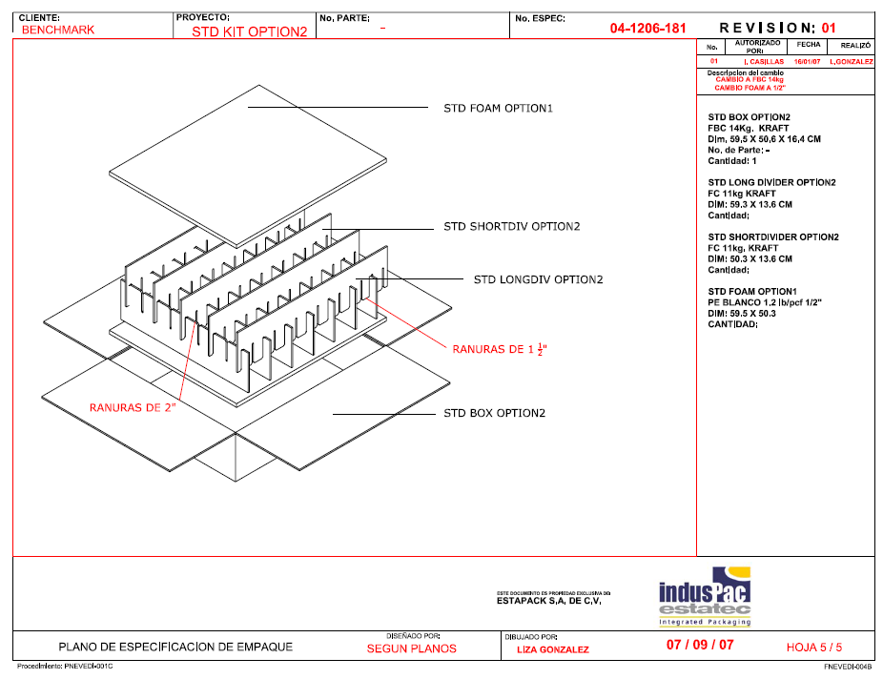
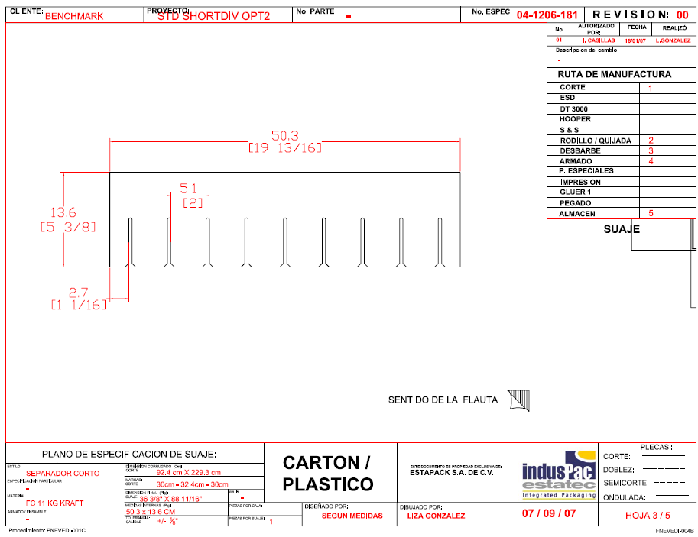
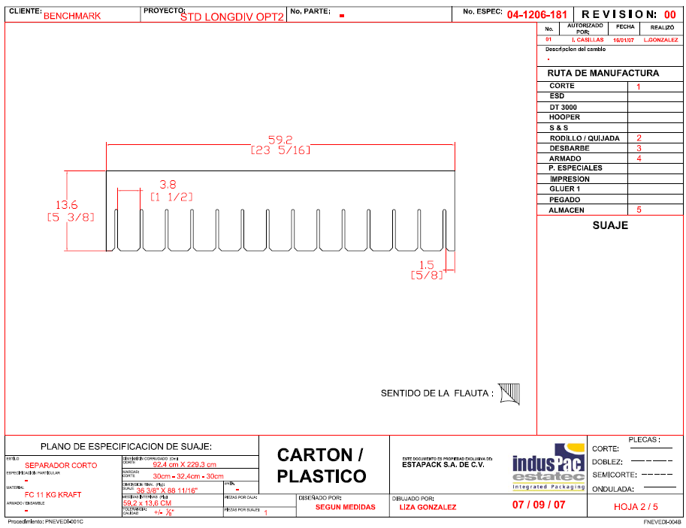
Note: all vendors refer to https://www.allegion.com/suppliers for the most current inbound packaging specification and ensure compliance

THIS IS JUST AN EXAMPLE/OPTION OF THE PACKAGING, insert plant requirements here

